Survey Results (Graphical)
Correctness / Approximation Quality | Maximum Throughput | Maintenance and Further Development | (RDFS-)/Reasoning / Inference Support | Query Language Features / Expressiveness | Support of Background Data | Latency | Completeness | Intern Mode of Operation | Guranteed Performance Level | Distribution | Licence | Language of Programmatic Access | Memory Consumption | In which context did you work with the application that used a stream reasoning engine? | How long have you been working in stream reasoning or a related area? | Which stream reasoning engine did you use (you can separate 'Others' with a comma)? | How many other stream reasoning engines have you worked with? | In which application domains have you applied stream reasoning?
Very important | Important | Very important | Very important | Important | Important | Important | Important | Important | Not so important | Not so important | Not so important | Not so important | Important | Research Setting | <2 Years | C-SPARQL;RDFox | 0
Very important | Important | Very important | Very important | Very important | Very important | Important | Very important | Very important | Not so important | Not so important | Not so important | Very important | Important | Research Setting | 5-10 Years | C-SPARQL;CQELS;RDFox;INSTANS;C-SPARQL2.0;YASPER;RSP4J | 3+ | eHealth, IoT, building management, media, smart city
Very important | Important | Important | Very important | Important | Not so important | Very important | Important | Not so important | Important | Not so important | Not so important | Important | Not so important | Industrial Setting | 2-5 Years | RDFox | 0
Very important | Very important | Very important | Not so important | Very important | Very important | Very important | Very important | Important | Very important | Important | Important | Important | Very important | Both | 5-10 Years | RTEC: https://github.com/aartikis/RTEC | 3+ | Maritime situational awareness, fleet management, human activity recognition, credit card fraud management
Very important | Important | Important | Very important | Not so important | Very important | Important | Important | Important | Not so important | Not so important | Important | Not so important | Not so important | Research Setting | 5-10 Years | C-SPARQL;CQELS;RDFox;C-SPARQL2.0;YASPER | 3+ | smart cities
Important | Not so important | Important | Very important | Important | Very important | Important | Important | Important | Very important | Very important | Very important | Very important | Very important | Research Setting | 2-5 Years | C-SPARQL;SPARQLstream | 1
Very important | Very important | Very important | Important | Important | Important | Very important | Not so important | Important | Very important | Important | Very important | Important | Very important | Research Setting | <2 Years | C-SPARQL;CQELS;RDFox | 0 | Automotive
Important | Very important | Very important | Very important | Very important | Not so important | Very important | Not so important | Very important | Very important | Not so important | Not so important | Very important | Very important | Research Setting | 2-5 Years | C-SPARQL;RDFox | 0 | Autonomous Driving
Important | Very important | Important | Very important | Important | Important | Very important | Important | Very important | Very important | Very important | Important | Important | Important | Research Setting | 10+ Years | C-SPARQL;CQELS;ETALIS;RDFox | 3+ | industry IoT, autonomous vehicles, robotics
Very important | Very important | Important | Very important | Important | Important | Important | Important | Important | Important | Not so important | Important | Not so important | Not so important | Research Setting | 5-10 Years | C-SPARQL;CQELS;ETALIS;Strider;StreamRule, PrASP | 2 | Smart Cities, online communication systems
Very important | Very important | Very important | Important | Important | Important | Very important | Very important | Important | Very important | Very important | Not so important | Not so important | Important | Both | 10+ Years | CQELS | 1 | Production, smart cities, IoT, automotive
Very important | Important | Important | Very important | Very important | Very important | Important | Important | Very important | Important | Not so important | Not so important | Important | Not so important | Research Setting | 2-5 Years | C-SPARQL;CQELS;RDFox;Laser;DynamiTE | 0
Important | Important | Very important | Very important | Important | Very important | Very important | Very important | Not so important | Not so important | Not so important | Very important | Very important | Very important | Research Setting | 5-10 Years | Laser;DynamiTE | 2
Very important | Very important | Very important | Important | Very important | Important | Important | Important | Very important | Important | Important | Very important | Very important | Important | Research Setting | 2-5 Years | C-SPARQL;Strider | 2 | Traffic, weather
Very important | Important | Very important | Important | Important | Very important | Very important | Very important | Very important | Important | Important | Very important | Very important | Very important | Research Setting | 10+ Years | ETALIS;EP-SPARQL | 1 | transportation, financial, weather
Very important | Very important | Important | Important | Very important | Very important | Important | Very important | Very important | Not so important | Very important | Not so important | Important | Important | Research Setting | 5-10 Years | C-SPARQL;C-SPARQL2.0 | 1 | Analysis of social midia data
Very important | Important | Very important | Very important | Very important | Very important | Important | Very important | Not so important | Not so important | Important | Not so important | Not so important | Important | Research Setting | 5-10 Years | C-SPARQL;CQELS;RDFox;C-SPARQL2.0;YASPER;C-SPRITE, STREAMING MASSIF | 2 | Healthcare, smarting building, predictive maintenance, IoT, industry 4.0
Important | Very important | Very important | Very important | Important | Very important | Important | Important | Not so important | Important | Important | Not so important | Important | Not so important | Research Setting | 2-5 Years | C-SPARQL;CQELS;ETALIS;RDFox;Laser;BigSR, Triplebit | 3+ | security, healthcare, manufacturing
Very important | Important | Important | Not so important | Important | Important | Important | Important | Important | Important | Very important | Very important | Very important | Not so important | Both | 5-10 Years | C-SPARQL;RDFox;Laser;Ticker | 1 | Scheduling, planning, content distribution
Not so important | Important | Important | Important | Important | Important | Important | Very important | Very important | Important | Not so important | Not so important | Important | Not so important | Research Setting | <2 Years | C-SPARQL | 0 | medical domain
Very important | Very important | Very important | Not so important | Very important | Very important | Very important | Very important | Not so important | Very important | Very important | Important | Not so important | Important | Research Setting | 5-10 Years | RDFox;DynamiTE | 0
Important | Very important | Very important | Important | Very important | Very important | Very important | Important | Not so important | Important | Important | Not so important | Not so important | Not so important | Research Setting | 5-10 Years | C-SPARQL;CQELS;SPARQLstream | 2 | Mobility, environmental sensors
Very important | Very important | Very important | Very important | Important | Very important | Not so important | Not so important | Important | Very important | Important | Not so important | Not so important | Not so important | Both | 10+ Years | C-SPARQL;CQELS;SPARQLstream;ETALIS;RDFox;INSTANS;C-SPARQL2.0;YASPER;IMARS, several internal prototypes | 3+ | Social Media Analytics, IoT Analytics, Smart City
Important | Very important | Very important | Important | Not so important | Very important | Important | Not so important | Not so important | Not so important | Important | Not so important | Important | Not so important | Research Setting | 10+ Years | C-SPARQL;CQELS;SPARQLstream;ETALIS;Strider;C-SPARQL2.0;YASPER | 0 | eHealth, environmental monitoring
Very important | Important | Important | Important | Very important | Very important | Important | Important | Important | Important | Important | Important | Very important | Important | Research Setting | 5-10 Years | C-SPARQL;CQELS;SPARQLstream;RDFox;SihlMill => https://gitlab.ifi.uzh.ch/DDIS-Public/sihlql | 2 | social media analytics, iptv analysis
Important | Very important | Important | Not so important | Very important | Very important | Not so important | Important | Very important | Not so important | Very important | Very important | Not so important | Important | Research Setting | <2 Years | CQELS | 0 | electrical meter monitoring
Very important | Very important | Important | Important | Very important | Important | Important | Important | Important | Very important | Not so important | Very important | Important | Not so important | Industrial Setting | 2-5 Years | C-SPARQL;C-SPARQL2.0 | 0 | Industry 4.0
Important | Very important | Very important | Important | Very important | Not so important | Very important | Very important | Not so important | Important | Important | Not so important | Not so important | Important | Industrial Setting | 2-5 Years | C-SPARQL | 1 | Smart Grid Management
Very important | Very important | Not so important | Important | Important | Very important | Not so important | Important | Important | Not so important | Important | Important | Not so important | Important | Research Setting | 2-5 Years | C-SPARQL;RDFox | 0 | healthcare
Important | Very important | Important | Very important | Important | Very important | Very important | Important | Important | Important | Important | Important | Not so important | Important | Both | 5-10 Years | C-SPARQL;SPARQLstream;C-SPARQL2.0 | 1 | IoT and AI for control systems
Very important | Very important | Important | Important | Very important | Very important | Important | Important | Very important | Important | Important | Important | Not so important | Very important | Industrial Setting | 2-5 Years | C-SPARQL;CQELS;SPARQLstream;RDFox;Strider;DynamiTE;C-SPARQL2.0;YASPER | 3+ | Crowd movements forecasting with Telco data, Weather forecasting
Very important | Important | Important | Important | Very important | Important | Important | Not so important | Important | Important | Very important | Important | Not so important | Not so important | Research Setting | <2 Years | C-SPARQL;SPARQLstream;C-SPARQL2.0 | 0 | Sensor Data
Very important | Important | Important | Very important | Important | Important | Important | Very important | Important | Not so important | Not so important | Important | Important | Important | Research Setting | 2-5 Years | C-SPARQL;Reasoning engine developped specifficaly during a phd | 2
Important | Very important | Very important | Very important | Very important | Important | Important | Important | Important | Important | Very important | Very important | Very important | Important | Research Setting | 10+ Years | SEPA | 1 | Agriculture, Health
Important | Not so important | Very important | Important | Important | Not so important | Very important | Very important | Not so important | Important | Important | Not so important | Not so important | Not so important | Research Setting | <2 Years | C-SPARQL;RDFox | 1 | Research on Semantic Web of Things, and Semantic Internet of musical things
Very important | Important | Very important | Important | Very important | Very important | Very important | Very important | Important | Very important | Very important | Very important | Very important | Not so important | Research Setting | 2-5 Years | SPARQLstream | 1
Very important | Important | Very important | Very important | Very important | Important | Important | Important | Important | Very important | Important | Very important | Very important | Very important | Research Setting | <2 Years | CQELS;ETALIS;RDFox | 1 | provide reactive answers
Very important | Important | Very important | Very important | Very important | Important | Important | Very important | Very important | Important | Very important | Important | Important | Not so important | Research Setting | 10+ Years | C-SPARQL;similar, ad-hoc, research group made, ways to process in real-time incoming sensor data. | 2 | mostly Ambient Assisted Living, also supporting cities in the city and connecting to environmental data and other location services.
Very important | Important | Very important | Very important | Important | Important | Important | Very important | Very important | Very important | Important | Very important | Important | Important | Research Setting | 2-5 Years | C-SPARQL;CQELS | 0
Important | Very important | Not so important | Very important | Important | Very important | Important | Very important | Important | Very important | Important | Very important | Important | Very important | Research Setting | 2-5 Years | C-SPARQL;CQELS;DynamiTE | 3+ | Knowledge group
Very important | Important | Very important | Important | Important | Not so important | Very important | Important | Very important | Not so important | Important | Important | Not so important | Not so important | Research Setting | <2 Years | Apache Flink | 1 | Smart Grid
Very important | Very important | Not so important | Important | Not so important | Not so important | Important | Very important | Not so important | Not so important | Not so important | Not so important | Not so important | Important | Industrial Setting | <2 Years | C-SPARQL | 0
Very important | Very important | Important | Very important | Important | Very important | Important | Very important | Important | Important | Important | Very important | Important | Very important | Research Setting | 5-10 Years | C-SPARQL;CQELS;SPARQLstream;Strider | 0
Important | Very important | Important | Very important | Not so important | Not so important | Important | Important | Not so important | Important | Not so important | Not so important | Not so important | Not so important | Research Setting | <2 Years | C-SPARQL | 0
Important | Important | Important | Very important | Very important | Important | Important | Not so important | Important | Important | Not so important | Not so important | Important | Not so important | Research Setting | 2-5 Years | C-SPARQL;C-SWRL | 2 | Wireless Sensor Networks
Very important | Important | Important | Important | Very important | Very important | Very important | Important | Very important | Important | Important | Important | Not so important | Not so important | Research Setting | 2-5 Years | INSTANS | 2 | Recognition of semantically heterogeneous events in built environment

Correctness
Very important | 30
Important | 15
Not so important | 1
Max throughput
Very important | 24
Important | 20
Not so important | 2
Maintenance
Very important | 23
Important | 20
Not so important | 3
Reasoning
Very important | 23
Important | 19
Not so important | 4
Expressiveness
Very important | 21
Important | 21
Not so important | 4
Background data
Very important | 23
Important | 16
Not so important | 7
Latency
Very important | 16
Important | 27
Not so important | 3
Work Settings
Experience in Years
 |  |  |  |  |  |  |  |  |  |  |  |  |  | 36 | 10 |  | 16
 |  |  |  |  |  |  |  |  |  |  |  |  |  | 5 | 16 |  | 12
 |  |  |  |  |  |  |  |  |  |  |  |  |  | 5 | 13 |  | 10
 |  |  |  |  |  |  |  |  |  |  |  |  |  |  | 7 |  | 8

Memory consumption
Very important | 10
Important | 17
Not so important | 19
Completeness
Very important | 18
Important | 22
Not so important | 6
Intern mode of operation
Very important | 14
Important | 21
Not so important | 11
Guranteed Performance level
Very important | 13
Important | 21
Not so important | 12
Distribution
Very important | 11
Important | 21
Not so important | 14
Licence
Very important | 14
Important | 14
Not so important | 18
Programming Language
Very important | 11
Important | 16
Not so important | 19
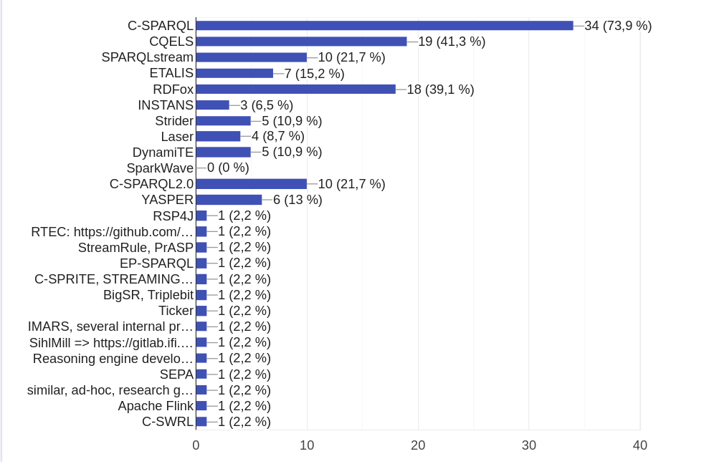

Number of other used engines

